Sheet1
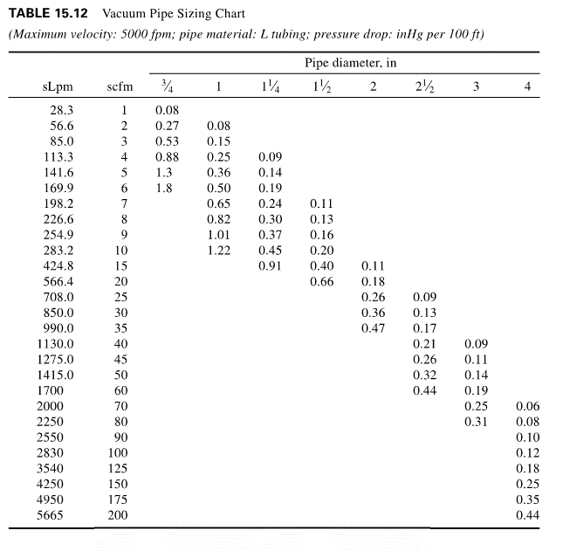
Positive Pressure Gases |  |  | Vacuum
 |  |  |  |  |  |  |  |  |  | 100 ft to m |  | inHg | kPa | kPa/m
Medical Gas Pipe Size Calc |  |  |  |  |  |  |  |  |  | 30.48 | m | 0.1 | 0.338639 | 0.01
 |  |  |  |  |  |  |  |  |  |  |  | 0.2 | 0.677278 | 0.02
Flow Rate | 130 | [L/min] FAD |  |  |  |  |  |  |  | 1 inHg to kPa |  | 0.3 | 1.015917 | 0.03 | Optimal Design Range
Pressure (absolute) | 430 | [kPa] |  |  |  |  |  |  |  | 3.38639 | kPa | 0.4 | 1.354556 | 0.04
Allowable Pressure Drop | 0.05 | [kPa/m] |  |  |  |  |  |  |  |  |  | 0.5 | 1.693195 | 0.06
 |  |  |  |  |  |  |  |  |  |  |  | 0.6 | 2.031834 | 0.07
Pipe Internal Diamter | 14.8 | [mm] |  |  |  |  |  |  |  |  |  | 0.7 | 2.370473 | 0.08

F Calc
22 | Number of terminal units
0.55 | F

References
1. Atlas Copco Compressed Air Manual 8th Edition, Page 91
2. Facility Piping Systems Handbook 2nd Edition Table 15.2

 |  |  |  | 100 ft to m |  | inHg | kPa | kPa/m
 |  |  |  | 30.48 | m | 0.1 | 0.338639 | 0.01
 |  |  |  |  |  | 0.2 | 0.677278 | 0.02
 |  |  |  | 1 inHg to kPa |  | 0.3 | 1.015917 | 0.03 | Optimal Design Range
 |  |  |  | 3.38639 | kPa | 0.4 | 1.354556 | 0.04
 |  |  |  |  |  | 0.5 | 1.693195 | 0.06
 |  |  |  |  |  | 0.6 | 2.031834 | 0.07
 |  |  |  |  |  | 0.7 | 2.370473 | 0.08

